Guidelines
Guidelines

Prohibited Risk Factors
Certain uses of AI Systems involve risk factors of such a level of significance that they make the use case unsuitable for any GSK business purpose. These include:

Examples of Prohibited Risks | Explanation
Manipulative or Exploitive Practices | Using AI to manipulate individuals’ behaviour or exploit their vulnerabilities, including: - Deploying subliminal techniques or purposefully manipulative or deceptive techniques with the objective or effect of materially distorting a person’s behaviour; - Exploiting any vulnerabilities of a person due to their age, disability or specific social/economic situation with the objective or effect of materially distorting that person’s behaviour.
Biometric Categorization | Categorizing individuals based on their biometric data to deduce or infer their race, political opinions, trade union membership, religious or philosophical beliefs, sex life or sexual orientation (but excepting labelling or filtering of lawfully acquired biometric datasets, such as images, based on biometric data).
Emotional Recognition in the Workplace | The use of AI Systems to infer emotions of people in the workplace based on their biometric data, except in cases involving medical or safety reasons.
Social Scoring | Evaluation or classification of individuals or groups over a certain period of time based on their social behaviour or known, inferred or predicted personal or personality characteristics, with the score leading to differential or unreasonably disparate treatment of the individuals or groups in contexts unrelated to the one in which the score was assigned.

Elevated Risk Factors
The process of assessing the risk of an application of AI is a facts-and-circumstances analysis that should consider each of: (1) the AI System in use, (2) the proposed use case for that AI System, (3) the data that would be used in connection with the proposed use case, and (4) the users who will be interacting with the AI System. Potential elevated risk factors associated with each of these features are described below.

Where Risk May Arise | Risk Category
AI System | Undisclosed Training Data: third-party AI Systems where little or no information is available regarding training data.
 | Third-Party-Controlled: Closed-source third-party AI Systems where parameters are subject to change at the discretion of the provider and which may present elevated potential for variable output and drift.
AI System Use Case | Highly Regulated Activities: the use case relates to any highly regulated activity, including activities subject to: - Pharmaceutical Regulations (GxP) - Financial Regulations (Sarbanes-Oxley) - Privacy Regulations
 | Biometrics: The use of biometric data or emotional information, including undertaking remote biometric identification, biometric categorization or emotional recognition of individuals based on biometric data.
 | Employment: Using AI in employment or recruitment contexts, including: - Recruiting decisions, including to place targeted job advertisements, analyse and filter job applications, and evaluate candidates. - Making employment decisions, including deciding employee’s or worker’s terms of work, promotion and termination decisions, work task allocations, and monitoring and evaluating employee performance and behaviour.
 | Real-Time Communications: Using AI to process or participate in communications in real time, including: - Creating transcripts of calls or meetings. - Directly communicating (without intervening human review) with clients, stakeholders, or other external parties.
 | Automated Decisions & Processing: Using AI for automated decision-making or automated processing, including: - Executing fully automated decisions with limited or no human involvement. - Profiling or any form of automated processing used to evaluate, analyse or predict a person’s, economic situation, health, a person’s performance at work, personal preferences, interests, reliability, behaviour, location, or movements (e.g. emotion-recognition, productivity monitors).
 | Novel Uses: Novel uses of AI that have not been widely tested or adopted, and are likely to have significant business impact.
 | Be used for a medical purpose. This includes, but is not limited to: Diagnosis, prevention, monitoring, prediction, prognosis, treatment or alleviation of disease; Diagnosis or monitoring of an injury or disability; Providing information by means of (directly or indirectly) in vitro examination of specimens from the human body; Promotional use and non-promotional medical or treatment decision support software for use by healthcare professionals (HCPs) or patients.
 | Risk to Health and Safety: any use of AI that could present a risk of physical harm or endangerment in the event of misuse or failure.
Data Entered Into, or Associated With, AI System | Personal Data: including any of the following: - Very sensitive personal data, such as racial or ethnic origin, children’s data, geolocation data, political opinions, religious or philosophical beliefs, trade union membership, sex life or sexual orientation, health data, genetic data or biometric data. - Very large amounts of personal data, even if the personal data itself is not particularly sensitive. - Personal data that is located in another country (outside the EU/UK) or being moved from country to country (outside the EU/UK) as part of the process.
 | Data with Contractual Protections: including data that is subject to contractual use case limitations.
 | Licensed or IP-Protected Data: including proprietary code that is subject to license limitations.
 | Unsuitable Data: data that is not as representative as possible of the real-world conditions that are relevant to the use of the associated system.
Users of the AI System | Third Party Individuals: Third party individuals will have access to the AI, including customers or members of the public.
 | Widespread Internal Use: The AI is indiscriminately made available to all, or a large proportion of, GSK staff without having to first demonstrate a business need for their access to the AI or undergo training before receiving access to the tool.
 | Vulnerable or Minor Users: Users who are children under the age of [13] or who are otherwise members of a vulnerable population who may have difficulty exercise judgment or who may be susceptible to making decisions against their own interest.

Potential Risk Mitigation Steps
The below table contains non-exhaustive examples of the types of steps GSK could take to mitigate any elevated risks identified with the AI project.

Examples of Mitigation Steps | Explanation
Accountability | Place overall responsibility for mitigating risks associated with the Elevated Risk AI System with a member of senior management for that business unit.
Appeal Rights | Providing persons who may be negatively affected by decisions made by the particular Elevated Risk AI System with a way to challenge those decisions, as well as the ability to review the information necessary to conduct such a challenge or correct any potentially erroneous data.
Bias Testing | Conduct additional internal or external testing for impermissible bias prior to deployment, as well as periodic bias testing and monitoring post-deployment.
Board /Senior Management Reporting | Informing the Board or Senior Management about the use of the Elevated Risk AI System and the risk mitigation measures being taken.
Business Continuity & Disaster Recovery | Develop business continuity and/or disaster recovery plans in case the use of the Elevated Risk AI System needs to be paused or deactivated, or the AI System has materially degraded and can no longer be used for performance-related reasons.
Certifications | Obtain a certification or other accepted third-party standard that verifies that BX has taken steps to mitigate bias or other potential harm associated with the Elevated Risk AI System.
Cybersecurity & Privacy | Provide additional cybersecurity and privacy protections for the data and the Elevated Risk AI System, including through pseudonymization, anonymization, tokenization, deletion of data that is no longer needed, use of synthetic data, and other measures to enhance privacy protections and prevent hacking, ransomware, data poisoning, adversarial attacks, or reasonably foreseeable misuse by malicious actors.
Data Quality & Integrity | Take additional steps to ensure that the data used to train, validate, test, or operate the Elevated Risk AI System is accurate, relevant, representative, free of errors, and complete, and that data being used from different sources is properly harmonized.
Data Subject Consent & Opt-Out | Consider notifying data subjects about the use of their personal data by the Elevated Risk AI System, and if appropriate, obtaining their consent and/or providing them with an opportunity to opt out of having their data used by the AI System.
Diversity | Increase the diversity of the teams that are involved in the design, development, testing, training, and monitoring of the Elevated Risk AI System.
Documentation & Auditability | Keep detailed logs while the Elevated Risk AI System is in operation, including risk assessments, training, datasets, data testing, and logs to ensure auditability, especially where the AI System will be subject to heightened documentation requirements or where applicable regulations specifically require that BX (instead of, or in addition to, the third-party vendor) keep such documentation.
Explainability | Test and enhance, as appropriate, the explainability of the Elevated Risk AI System, including the basics of the model’s functioning, how results were reached, factors upon which the results were based, and how someone may improve their results.
Guardrails | Include guardrails that trigger additional review, or the adoption of additional measures, when the Elevated Risk AI System deviates beyond a certain drift tolerance or results for protected classes.
Incident Response | Develop an incident management process to investigate and remediate the cause or extent of any significant issues with the Elevated Risk AI System.
Kill Switch | Implement a kill switch that can be quickly employed by a human to shut down the Elevated Risk AI System if it unexpectedly may cause significant harm.
Model Validation | Run the Elevated Risk AI System in a sandbox or alongside a more traditional or proven method for achieving the AI System’s results for some period before deployment of the AI System to ensure the AI System is working as anticipated.
Ongoing Monitoring | Implementing ongoing monitoring that will alert the appropriate oversight team(s) when the particular Elevated Risk AI System significantly departs from expected performance.
Opt-Out Rights | Providing individuals who may be impacted by the particular Elevated Risk AI System with an option to decline or opt out of the particular Elevated Risk AI System’s automated decision-making under certain circumstances.
Oversight | Implement additional oversight mechanisms, including human review, for any Elevated Risk AI System’s decisions or results that may significantly impact a core and/or highly regulated part of BX’s business and/or the rights of individuals or groups.
Stress Tests | Stress test the Elevated Risk AI System with novel or low-probability/high-impact scenarios and re-validate the AI System following any significant change in use, context, or scope.
Testing & Validation | Conduct periodic testing and validation of Elevated Risk AI System to ensure it performs consistent with its intended purpose.
Third-Party Contractual Provisions | Implement certain provisions in the contract with the third-party providing the procured AI system. For example, contractual protections regarding auditing rights, incident support, providing performance benchmarks, notifying any model updates etc.
Training | Implement additional training for employees who develop, approve, use, monitor, audit, or exercise human oversight of the Elevated Risk AI System, particularly with regard to the detection and mitigation of bias, model drift and other performance issues.
Transparency | Inform individuals who will interact with the Elevated Risk AI System that they are interacting with an AI System (especially where that is not obvious from the context), and provide information about the nature, purpose and capabilities of the AI System.
User Experience Testing | Conducting user experience testing to ensure the efficacy of transparency and explainability initiatives and to provide actionable insights for improving them.

Risk Rating Guidelines

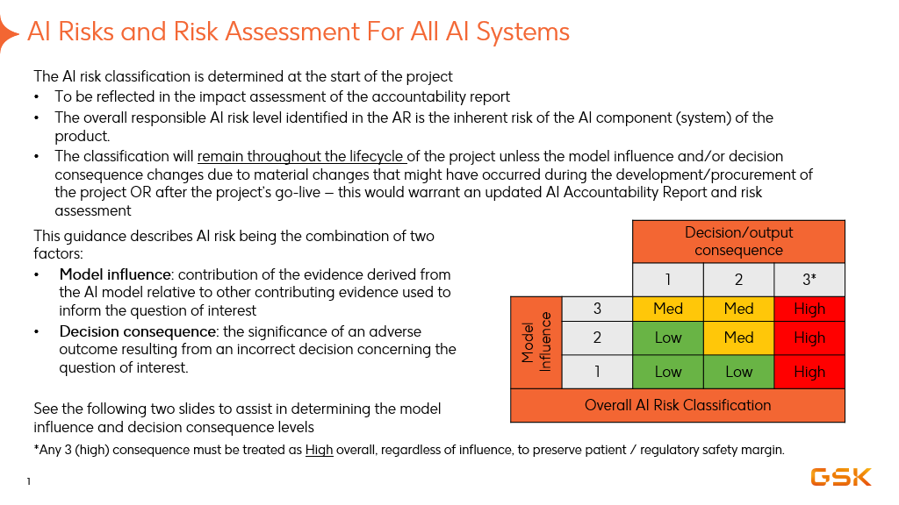

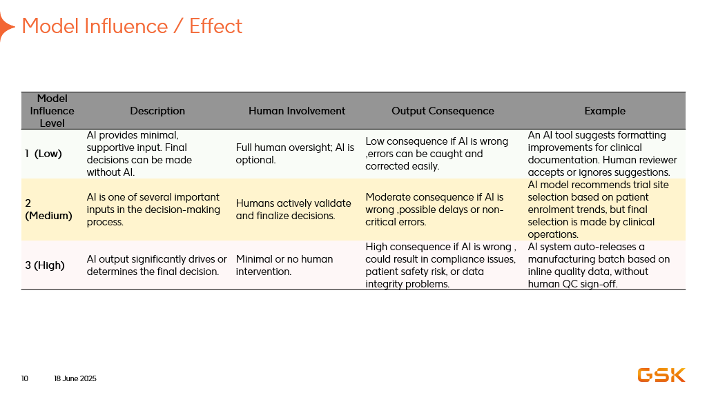

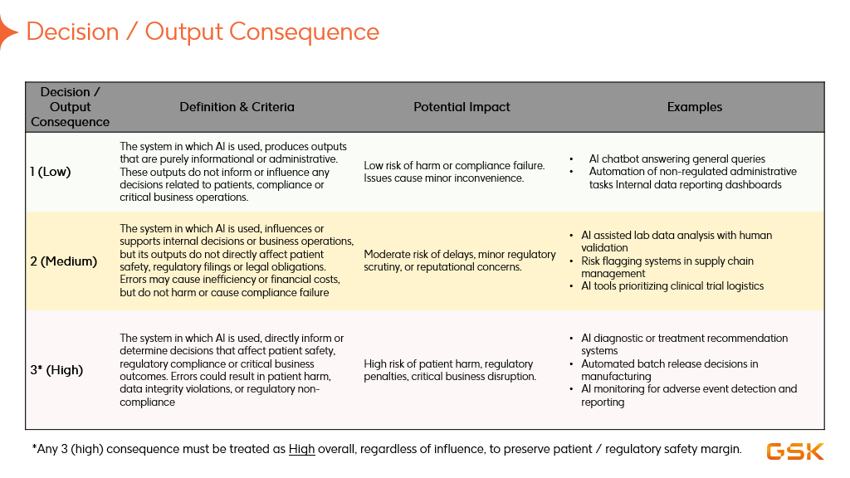

You can access the full AI risk evaluation FAQ :
AI Risk Evaluation - FAQ for Business and Product Owners_v1F 4.pptx

